Pivot
 | Total sales | Total Orders | Average Order Value |  | Highest Revenue Product |  | Most Sold Product |  |  | Delivered Orders

 | Sum of TotalPrice | Count of OrderID | Average Order |  | Product | Sum of TotalPrice | Product | Count of OrderID |  | Delivered
 | 1264762 | 1200 | 1054 |  | Chair | 195620 | Printer | 181 |  | 19%
 |  |  |  |  | Printer | 195613 | Tablet | 179
 |  |  |  |  | Laptop | 192127 | Chair | 178
 |  |  |  |  | Tablet | 186569 | Laptop | 173
 |  |  |  |  | Monitor | 175651 | Desk | 170
 |  |  |  |  | Desk | 167460 | Monitor | 163
 |  |  |  |  | Phone | 151722 | Phone | 156
 |  |  |  |  | Grand Total | 1264761.96 | Grand Total | 1200
Highest Revenue
Chair

Most Ordered Products |  |  | Order Status Analysis |  | Referral Source Analysis |  | Monthly Sales Trend

Product | Count of OrderID |  | Order Status | Count of OrderID | Referral Source | Sum of TotalPrice | Date Month | Sum of TotalPrice
Printer | 181 |  | Cancelled | 250 | Instagram | 275285.45 | Apr | 109186.05
Tablet | 179 |  | Delivered | 231 | Email | 261808.55 | Aug | 86343.21
Chair | 178 |  | Pending | 237 | Google | 250441.48 | Dec | 82540.5
Laptop | 173 |  | Returned | 247 | Facebook | 250410.9 | Feb | 112344.78
Desk | 170 |  | Shipped | 235 | Referral | 226815.58 | Jan | 124313.23
1054
Average Order
Monitor | 163 |  | Grand Total | 1200 | Grand Total | 1264761.96 | Jul | 85784.64
Phone | 156 |  |  |  |  |  | Jun | 170616.13
Grand Total | 1200 |  |  |  |  |  | Mar | 123840.93 |  | Average Order
 |  |  |  |  | Delivered Orders |  | May | 135142.59 |  | #DIV/0!
Total Sales By Product |  |  | Payment Method Analysis |  |  |  | Nov | 75493.43
 |  |  |  |  | Product | Count of OrderID | Oct | 89834.82
Product | Sum of TotalPrice |  | Payment Mesthod | Count of OrderID | Cancelled | 20.83% | Sep | 69321.65
Chair | 195620.11 |  | Cash | 246 | Delivered | 19.25% | Grand Total | 1264761.96
Desk | 167459.93 |  | Credit Card | 234 | Pending | 19.75%
Laptop | 192126.56 |  | Debit Card | 232 | Returned | 20.58%
Monitor | 175651.41 |  | Gift Card | 230 | Shipped | 19.58%
Phone | 151722.39 |  | Online | 258 | Grand Total | 100.00%
Printer | 195612.61 |  | Grand Total | 1200
Tablet | 186568.95
Grand Total | 1264761.96 |  |  |  |  |  |  |  | Basic Statistics

 |  |  |  |  |  |  |  |  | Column | Mean | Median | TotalPrice
 |  |  |  |  |  | Median of Quantity | Count of Quantity | Average of Quantity | Quantity | 3 | 3 | 1200
 |  |  |  |  |  | 3 | 1200 | 3 | UnitPrice | 356.41 | 364.21 | 1200
 |  |  |  |  |  |  |  |  | TotalPrice | 1053.9683 | 823.615 | 1200
 |  |  |  |  |  | Median of UnitPrice | Count of UnitPrice | Average of UnitPrice
 |  |  |  |  |  | 364.21 | 1200.00 | 356.41

 |  |  |  |  |  | Median of UnitPrice | Count of TotalPrice | Average of TotalPrice
 |  |  |  |  |  | 823.615 | 1200.0000 | 1053.9683

Dashboard
Sales Analysis Dashboard

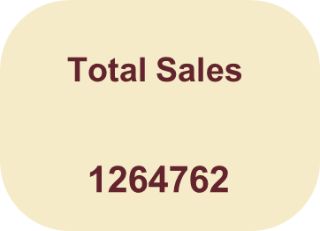
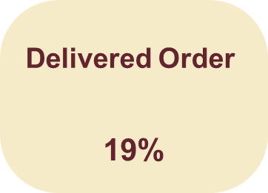
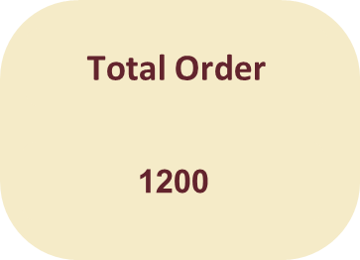
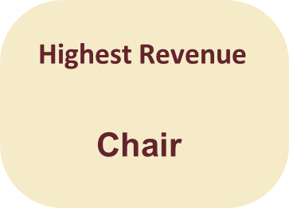
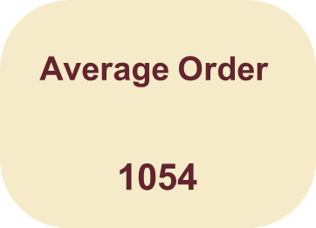

Monthly Sales Trend
 | Total
Apr | 109186.05
Aug | 86343.21
Dec | 82540.5
Feb | 112344.78
Jan | 124313.23
Jul | 85784.64
Jun | 170616.13
Mar | 123840.93
May | 135142.59
Nov | 75493.43
Oct | 89834.82
Sep | 69321.65
Most Ordered Products
 | Total
Printer | 181
Tablet | 179
Chair | 178
Laptop | 173
Desk | 170
Monitor | 163
Phone | 156

Referral Source Analysis
 | Total
Instagram | 275285.45
Email | 261808.55
Google | 250441.48
Facebook | 250410.9
Referral | 226815.58
s
 | Total
Cancelled | 250
Delivered | 231
Pending | 237
Returned | 247
Shipped | 235

Insight
Insight:-
Printer is the most ordered product, indicating strong customer demand compared to other products.
Most Ordered Products

Insight:-
Sales peaked during June, while lower sales were recorded in September and November.
Monthly Sales Trend

Insight:-
A noticeable percentage of orders are either cancelled or returned, which may indicate operational or shipping issues.
Order Status

